Sheet1
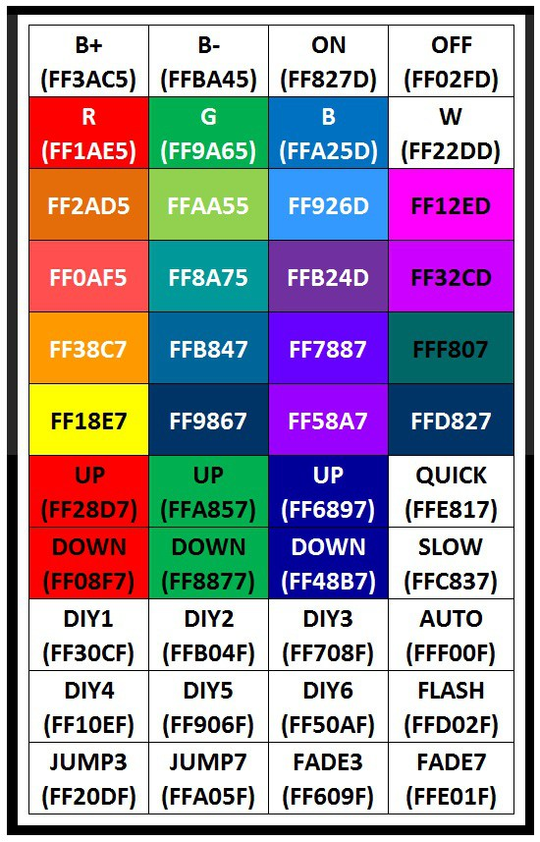
 | LOW | HIGH | LOW | HIGH | LOW | HIGH | LOW | HIGH | LOW | HIGH | LOW | HIGH | LOW | HIGH | LOW | HIGH
QUICKBUTON | 8 | 11 | 1 | 1 | 6 | 1 | 1 | 3 |  |  |  |  |  |  |  |  | 32
TOGGLE ON | 8 | 8 | 6 | 1 | 1 | 6 | 1 | 1 |  |  |  |  |  |  |  |  | 32 | 0X | F | F | 0 | 2 | F | D
START/PAUZE | 8 | 9 | 5 | 1 | 2 | 5 | 1 | 1 |  |  |  |  |  |  |  |  | 32 | 0X | F | F | 8 | 2 | 7 | D
BRIGHT | 8 | 8 | 2 | 3 | 1 | 1 | 1 | 2 | 3 | 1 | 1 | 1 |  |  |  |  | 32 | 0X | F | F | 3 | A | C | 5
FADE | 8 | 9 | 1 | 3 | 1 | 1 | 2 | 1 | 3 | 1 | 1 | 1 |  |  |  |  | 32 | 0X | F | F | B | A | 4 | 5
RED | 8 | 8 | 3 | 2 | 1 | 1 | 1 | 3 | 2 | 1 | 1 | 1 |  |  |  |  | 32 | 0X | F | F
GREEN | 8 | 9 | 1 | 1 | 3 | 1 | 2 | 1 | 1 | 3 | 1 | 1 |  |  |  |  | 32 | 0X | F | F
BLUE | 8 | 9 | 1 | 1 | 3 | 1 | 2 | 1 | 1 | 3 | 1 | 1 |  |  |  |  | 32 | 0X | F | F
WHITE | 8 | 8 | 2 | 1 | 3 | 1 | 1 | 2 | 1 | 3 | 1 | 1 |  |  |  |  | 32 | 0X | F | F
1 | 8 | 8 | 2 | 1 | 1 | 1 | 1 | 1 | 1 | 2 | 1 | 1 | 1 | 1 | 1 | 1 | 32 | 0X | F | F
2 | 8 | 9 | 1 | 1 | 1 | 1 | 1 | 1 | 2 | 1 | 1 | 1 | 1 | 1 | 1 | 1 | 32 | 0X | F | F
3 | 8 | 9 | 2 | 1 | 2 | 1 | 2 | 2 | 1 | 2 | 1 | 1 |  |  |  |  | 32 | 0X | F | F
4 | 8 | 8 | 3 | 1 | 2 | 1 | 1 | 3 | 1 | 2 | 1 | 1 |  |  |  |  | 32 | 0X | F | F
5 | 8 | 8 | 4 | 1 | 1 | 1 | 1 | 4 | 1 | 1 | 1 | 1 |  |  |  |  | 32 | 0X | F | F
6 | 8 | 9 | 3 | 1 | 1 | 1 | 2 | 3 | 1 | 1 | 1 | 1 |  |  |  |  | 32 | 0X | F | F
7 | 8 | 9 | 1 | 2 | 2 | 1 | 2 | 1 | 2 | 2 | 1 | 1 |  |  |  |  | 32 | 0X | F | F
8 | 8 | 8 | 2 | 2 | 2 | 1 | 1 | 2 | 2 | 2 | 1 | 1 |  |  |  |  | 32 | 0X | F | F
9 | 8 | 8 | 2 | 3 | 3 | 2 | 3 | 3 |  |  |  |  |  |  |  |  | 32 | 0X | F | F
10 | 8 | 9 | 1 | 3 | 4 | 1 | 3 | 3 |  |  |  |  |  |  |  |  | 32 | 0X | F | F
11 | 8 | 8 | 1 | 4 | 3 | 1 | 4 | 3 |  |  |  |  |  |  |  |  | 32 | 0X | F | F
12 | 8 | 13 | 8 | 3 |  |  |  |  |  |  |  |  |  |  |  |  | 32 | 0X | F | F
13 | 8 | 8 | 3 | 2 | 3 | 3 | 2 | 3 |  |  |  |  |  |  |  |  | 32 | 0X | F | F
14 | 8 | 9 | 2 | 2 | 4 | 2 | 2 | 3 |  |  |  |  |  |  |  |  | 32 | 0X | F | F
15 | 8 | 8 | 1 | 1 | 1 | 2 | 3 | 1 | 1 | 1 | 2 | 3 |  |  |  |  | 32 | 0X | F | F
16 | 8 | 10 | 1 | 2 | 5 | 1 | 2 | 3 |  |  |  |  |  |  |  |  | 32 | 0X | F | F
SB1 | 8 | 8 | 2 | 1 | 1 | 1 | 3 | 2 | 1 | 1 | 1 | 3 |  |  |  |  | 32 | 0X | F | F
SB2 | 8 | 9 | 1 | 1 | 1 | 1 | 4 | 1 | 1 | 1 | 1 | 3 |  |  |  |  | 32 | 0X | F | F
SB3 | 8 | 8 | 1 | 2 | 1 | 1 | 3 | 1 | 2 | 1 | 1 | 3 |  |  |  |  | 32 | 0X | F | F
SB4 | 8 | 8 | 4 | 1 | 3 | 4 | 1 | 3 |  |  |  |  |  |  |  |  | 32 | 0X | F | F
SB5 | 8 | 9 | 3 | 1 | 4 | 3 | 1 | 3 |  |  |  |  |  |  |  |  | 32 | 0X | F | F
SB6 | 8 | 8 | 1 | 1 | 2 | 1 | 3 | 1 | 1 | 2 | 1 | 3 |  |  |  |  | 32 | 0X | F | F
SB7 | 8 | 8 | 2 | 2 | 4 | 2 | 2 | 4 |  |  |  |  |  |  |  |  | 32 | 0X | F | F
SB8 | 8 | 9 | 1 | 2 | 5 | 1 | 2 | 4 |  |  |  |  |  |  |  |  | 32 | 0X | F | F
SB9 | 8 | 8 | 1 | 3 | 4 | 1 | 3 | 4 |  |  |  |  |  |  |  |  | 32 | 0X | F | F
SB10 | 8 | 8 | 3 | 1 | 4 | 3 | 1 | 4 |  |  |  |  |  |  |  |  | 32 | 0X | F | F
SB11 | 8 | 9 | 2 | 1 | 5 | 2 | 1 | 4 |  |  |  |  |  |  |  |  | 32 | 0X | F | F
SB12 | 8 | 8 | 1 | 1 | 1 | 1 | 4 | 1 | 1 | 1 | 1 | 4 |  |  |  |  | 32 | 0X | F | F
ab1 | 8 | 11 | 1 | 1 | 6 | 1 | 1 | 3 |  |  |  |  |  |  |  |  | 32 | 0X | F | F | E | 8 | 1 | 7
ab2 | 8 | 10 | 2 | 1 | 5 | 2 | 1 | 3 |  |  |  |  |  |  |  |  | 32 | 0X | F | F | C | 8 | 3 | 7
ab3 | 8 | 12 | 8 | 4 |  |  |  |  |  |  |  |  |  |  |  |  | 32 | 0X | F | F | F | 0 | 0 | F
ab4 | 8 | 10 | 1 | 1 | 6 | 1 | 1 | 4 |  |  |  |  |  |  |  |  | 32 | 0X | F | F | D | 0 | 2 | F
AB5 | 8 | 11 | 8 | 5 |  |  |  |  |  |  |  |  |  |  |  |  | 32 | 0X | F | F | E | 0 | 1 | F
AB6 | 8 | 8 | 1 | 2 | 5 | 1 | 2 | 5 |  |  |  |  |  |  |  |  | 32 | 0X | F | F | 6 | 0 | 9 | F
ab7 | 8 | 9 | 1 | 1 | 6 | 1 | 1 | 5 |  |  |  |  |  |  |  |  | 32 | 0X | F | F | A | 0 | 5 | F
ab8 | 8 | 8 | 2 | 1 | 5 | 2 | 1 | 5 |  |  |  |  |  |  |  |  | 32 | 0X | F | F | 2 | 0 | D | F

